Sheet1
Pin Number | Pin Name | Mapped Pin Name | Key Assigner Function | Input / Output
97 | PF0 ( ADC0 ) | Analog pin 00
96 | PF1 ( ADC1 ) | Analog pin 01
95 | PF2 ( ADC2 ) | Analog pin 02
94 | PF3 ( ADC3 ) | Analog pin 03
93 | PF4 ( ADC4 / TMK ) | Analog pin 04
92 | PF5 ( ADC5 / TMS ) | Analog pin 05
91 | PF6 ( ADC6 ) | Analog pin 06 | Ribbon Ref (to AREF) | Input (Pullup) | Yellow to wire to AREF
90 | PF7 ( ADC7 ) | Analog pin 07 | Ribbon Wiper | Input (Pullup) | black wire
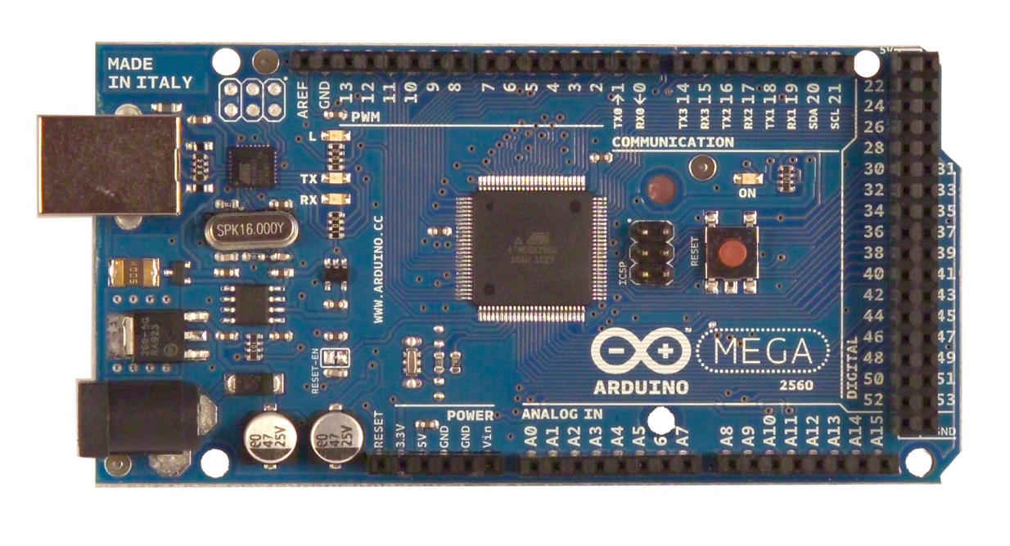
Both Gnd Used
(Black Wires)
Both 5V Used
(Red Wires)
89 | PK0 ( ADC8 / PCINT16 ) | Analog pin 08
88 | PK1 ( ADC9 / PCINT17 ) | Analog pin 09
87 | PK2 ( ADC10 / PCINT18 ) | Analog pin 10
86 | PK3 ( ADC11 / PCINT19 ) | Analog pin 11
85 | PK4 ( ADC12 / PCINT20 ) | Analog pin 12
84 | PK5 ( ADC13 / PCINT21 ) | Analog pin 13
83 | PK6 ( ADC14 / PCINT22 ) | Analog pin 14
82 | PK7 ( ADC15 / PCINT23 ) | Analog pin 15
98 | AREF | Analog Reference | From A6 (AREF is internally 35K to gnd)
2 | PE0 ( RXD0 / PCINT8 ) | Digital pin 00 (RX0)
3 | PE1 ( TXD0 ) | Digital pin 01 (TX0)
6 | PE4 ( OC3B / INT4 ) | Digital pin 02 (PWM) | Switch - Chord Mem (Porta) | Input (Pullup) | White
7 | PE5 ( OC3C / INT5 ) | Digital pin 03 (PWM) | Switch - 8ft | Input | Green
1 | PG5 ( OC0B ) | Digital pin 04 (PWM) | Arp Reset | Input | Blue
5 | PE3 ( OC3A / AIN1 ) | Digital pin 05 (PWM) | AudioIn (Analog Comparator) | Input
15 | PH3 ( OC4A ) | Digital pin 06 (PWM)
16 | PH4 ( OC4B ) | Digital pin 07 (PWM)
17 | PH5 ( OC4C ) | Digital pin 08 (PWM)
18 | PH6 ( OC2B ) | Digital pin 09 (PWM)
23 | PB4 ( OC2A / PCINT4 ) | Digital pin 10 (PWM)
24 | PB5 ( OC1A / PCINT5 ) | Digital pin 11 (PWM)
25 | PB6 ( OC1B / PCINT6 ) | Digital pin 12 (PWM)
26 | PB7 ( OC0A / OC1C / PCINT7 ) | Digital pin 13 (PWM)
64 | PJ1 ( TXD3 / PCINT10 ) | Digital pin 14 (TX3) | Serial3 to MIDI | Output
63 | PJ0 ( RXD3 / PCINT9 ) | Digital pin 15 (RX3) | Serial3 from MIDI | Input
13 | PH1 ( TXD2 ) | Digital pin 16 (TX2) | Serial2 to VelProcessor | Output
12 | PH0 ( RXD2 ) | Digital pin 17 (RX2)
46 | PD3 ( TXD1 / INT3 ) | Digital pin 18 (TX1) | Switch - Sustain Pedal | Input (Pullup) | White
45 | PD2 ( RXDI / INT2 ) | Digital pin 19 (RX1) | ACKI (Arp Timing Interrupt) | Input | Purple
44 | PD1 ( SDA / INT1 ) | Digital pin 20 (SDA) | I2C SDA to DAC | Input/Output | Blue
43 | PD0 ( SCL / INT0 ) | Digital pin 21 (SCL) | I2C SCL to DAC | Output | Green
78 | PA0 ( AD0 ) | Digital pin 22 | PS Databus (DB) | Output
77 | PA1 ( AD1 ) | Digital pin 23 | PS Databus (DB) | Output
76 | PA2 ( AD2 ) | Digital pin 24 | PS Databus (DB) | Output
75 | PA3 ( AD3 ) | Digital pin 25 | PS Databus (DB) | Output
74 | PA4 ( AD4 ) | Digital pin 26 | PS Databus (DB) | Output
73 | PA5 ( AD5 ) | Digital pin 27 | PS Databus (DB) | Output
72 | PA6 ( AD6 ) | Digital pin 28 | PS Databus (DB) | Output
71 | PA7 ( AD7 ) | Digital pin 29 | PS Databus (DB) | Output
60 | PC7 ( A15 ) | Digital pin 30 | PS PSENSE | Input/Output
59 | PC6 ( A14 ) | Digital pin 31 | PS PSENSE | Input/Output
58 | PC5 ( A13 ) | Digital pin 32 | PS PSENSE | Input/Output
57 | PC4 ( A12 ) | Digital pin 33 | PS PSENSE | Input/Output
56 | PC3 ( A11 ) | Digital pin 34 | PS PSENSE | Input/Output
55 | PC2 ( A10 ) | Digital pin 35 | PS PSENSE | Input/Output
54 | PC1 ( A9 ) | Digital pin 36 | PS PSENSE | Input/Output
53 | PC0 ( A8 ) | Digital pin 37 | PS PSENSE | Input/Output
50 | PD7 ( T0 ) | Digital pin 38 | "A" Addressing | Output
70 | PG2 ( ALE ) | Digital pin 39 | "B" Addressing | Output
52 | PG1 ( RD ) | Digital pin 40 | "C" Addressing | Output
51 | PG0 ( WR ) | Digital pin 41 | Latch1 | Output
42 | PL7 | Digital pin 42 | Latch2 | Output
41 | PL6 | Digital pin 43 | INH | Output
40 | PL5 ( OC5C ) | Digital pin 44 (PWM) | MC | Output
39 | PL4 ( OC5B ) | Digital pin 45 (PWM) | ACKR | Output
38 | PL3 ( OC5A ) | Digital pin 46 (PWM) | Switch - 4ft | Input
37 | PL2 ( T5 ) | Digital pin 47
36 | PL1 ( ICP5 ) | Digital pin 48
35 | PL0 ( ICP4 ) | Digital pin 49
22 | PB3 ( MISO / PCINT3 ) | Digital pin 50 (MISO)
21 | PB2 ( MOSI / PCINT2 ) | Digital pin 51 (MOSI)
20 | PB1 ( SCK / PCINT1 ) | Digital pin 52 (SCK) | Switch Tape Enable (Tuning Mode) | Input (No Pullup) | 5V normal, 0V when active
19 | PB0 ( SS / PCINT0 ) | Digital pin 53 (SS) | Switch - From Tape (Toggle Cntrl Panel) | Input (Pullup) | Yellow
11 | GND | GND
32 | GND | GND
62 | GND | GND
81 | GND | GND
99 | GND | GND
30 | RESET | RESET
10 | VCC | VCC
31 | VCC | VCC
61 | VCC | VCC
80 | VCC | VCC
100 | AVCC | VCC
34 | XTAL1 | XTAL1
33 | XTAL2 | XTAL2
4 | PE2 ( XCK0 / AIN0 )
8 | PE6 ( T3 / INT6 )
9 | PE7 ( CLKO / ICP3 / INT7 )
14 | PH2 ( XCK2 )
27 | PH7 ( T4 )
28 | PG3 ( TOSC2 )
29 | PG4 ( TOSC1 )
47 | PD4 ( ICP1 )
48 | PD5 ( XCK1 )
49 | PD6 ( T1 )
65 | PJ2 ( XCK3 / PCINT11 )
66 | PJ3 ( PCINT12 )
67 | PJ4 ( PCINT13 )
68 | PJ5 ( PCINT14 )
69 | PJ6 ( PCINT 15 )
79 | PJ7

 |  | Num Pins | 41

